Sheet1
No. | 4.2-57
Title | 液体窒素の沸騰熱伝達曲線
Xlabel | 温度差 ΔT=Tw-Ts [K]
Ylabel | 熱流束 q [kW/m^2]
 | Kutateladze p=0.5 | Kutateladze p=1.0 | Kutateladze p=1.5 | Kutateladze p=2 | Kutateladze p=4 | Kutateladze p=6 | Kutateladze p=10 | Kutateladze p=15 | Kutateladze p=20 | Breen and Westwater D=0.001 | Breen and Westwater D=0.002 | Breen and Westwater D=0.004 | Breen and Westwater D=0.006 | Breen and Westwater D=0.01 | Breen and Westwater D=0.02 | Breen and Westwater D=0.04 | Breen and Westwater D=0.1 | Breen and Westwater D=0.2 | Breen and Westwater D≧1.0
液体窒素の沸騰熱伝達曲線
 | Kutateladze p=0.5 | Kutateladze p=1.0 | Kutateladze p=1.5 | Kutateladze p=2 | Kutateladze p=4 | Kutateladze p=6 | Kutateladze p=10 | Kutateladze p=15 | Kutateladze p=20 | Breen and Westwater D=0.001 | Breen and Westwater D=0.002 | Breen and Westwater D=0.004
0.01
0.0116833549
0.0136500781
0.0159478706
0.0186324631
0.0217689678
0.0254334576
0.029714811
0.0347168682
0.040560949
0.0473887961
0.0553660121
0.0646860766
0.0755750387
0.0882969996
0.1031605178
0.1205260937
0.1408149122
0.1645190588
0.1922134544
0.2245697996
0.2623728658
0.3065395295
0.35814101
0.4184288508
0.4888652745 |  |  |  |  |  |  |  |  | 1.4288750714
0.5711586478 |  |  |  |  |  |  |  | 1.2387867619 | 2.1074912805
0.6673049161 |  |  |  |  |  |  | 1.1174302816 | 1.8416724844 | 3.3120115944
0.779636013 |  |  |  |  |  |  | 1.5468116282 | 2.8942661247 | 4.7324508035
0.9108764198 |  |  |  |  |  | 1.4402522964 | 2.4116771766 | 4.0704655854 | 6.8159231372
1.0642092441 |  |  |  |  | 1.4288750714 | 1.9779315203 | 3.7601131889 | 5.6345738998 | 10.7115112009
1.2433534238 |  |  |  | 1.2486504343 | 1.9314270114 | 3.0838482316 | 5.082588621 | 8.7850214118 | 15.7987334988
1.4526539259 |  |  | 1.3304403492 | 1.812690947 | 2.7817421884 | 4.6579784416 | 7.3784961166 | 13.2692782755 | 21.869520711
1.6971871298 |  | 1.5224701781 | 2.0908432235 | 2.8487204142 | 4.3716253851 | 6.2962434997 | 11.5956184083 | 17.9362373905 | 33.5608055543
1.9828839491 | 1.2290010072 | 2.1411861237 | 2.9405400259 | 4.1684734324 | 6.2465065344 | 9.4349950409 | 17.2389082761 | 27.5248179141 | 52.7422239616
2.3166736813 | 1.6612549199 | 2.9173113282 | 4.0064105748 | 5.6345738998 | 8.4434753524 | 14.7103640715 | 23.4875716045 | 43.2564143485 | 79.0348437994
2.70665207 | 2.5493495756 | 4.5484615054 | 6.1971624646 | 8.5784707286 | 12.652647262 | 20.2020804589 | 36.3308488768 | 59.4050261966 | 107.6829531928
3.1622776602 | 3.8813087023 | 6.7086641469 | 9.7391026596 | 13.4814292131 | 19.8841697801 | 28.8662491589 | 57.0954640846 | 84.8823610504 | 166.565244161
3.6946012052 | 5.1638497054 | 8.9254774706 | 13.0604658577 | 18.0790522603 | 26.6653437795 | 44.2979335443 | 77.1766012051 | 122.2520154245 | 232.4051216362
4.3165336926 | 7.7380896028 | 13.6969720474 | 18.9601409438 | 25.83270709 | 38.4048226121 | 66.3809751531 | 109.404602179 | 176.0737459515
5.0431594872 | 11.9693669779 | 20.5250739347 | 27.3073865338 | 40.2764945397 | 60.3548014404 | 89.7279342436 | 171.9339549587 | 255.6097980043
5.8921021876 | 15.7987334988 | 27.3073865338 | 39.9583317156 | 59.8780307012 | 84.2118356729 | 135.5289728682 | 241.8061147302
6.8839520696 | 23.3020323167 | 39.9583317156 | 59.4050261966 | 80.9378287832 | 117.4990737794 | 207.9817644615 | 342.7813789858
8.0427654831 | 33.8280289397 | 58.4701971209 | 88.3159277654 | 126.1924275949 | 184.6547590916 | 270.2014748829
9.396648315 | 49.4998523561 | 82.8866334544 | 127.1972177705 | 189.1008390335 | 249.599980165
10.9784376706 | 71.8599311533 | 120.328192713 | 186.1250476926 | 241.8061147302 |  |  |  |  |  | 138.7922120653
12.8264983053 | 103.4964308608 | 181.7489336285 |  |  |  |  |  |  |  | 153.8654874359
14.985653124 | 146.7152695049 |  |  |  |  |  |  |  |  | 173.3029558734 | 97.1339026341
17.5082703174 |  |  |  |  |  |  |  |  |  | 193.6539707889 | 106.8323152987
20.4555335005 |  |  |  |  |  |  |  |  |  | 216.3948111174 | 120.328192713
...
0.01
0.0116833549
0.0136500781
0.0159478706
0.0186324631
0.0217689678
0.0254334576
0.029714811
0.0347168682
0.040560949
0.0473887961
0.0553660121
0.0646860766
0.0755750387
0.0882969996
0.1031605178
0.1205260937
0.1408149122
0.1645190588
0.1922134544
0.2245697996
0.2623728658
0.3065395295
0.35814101
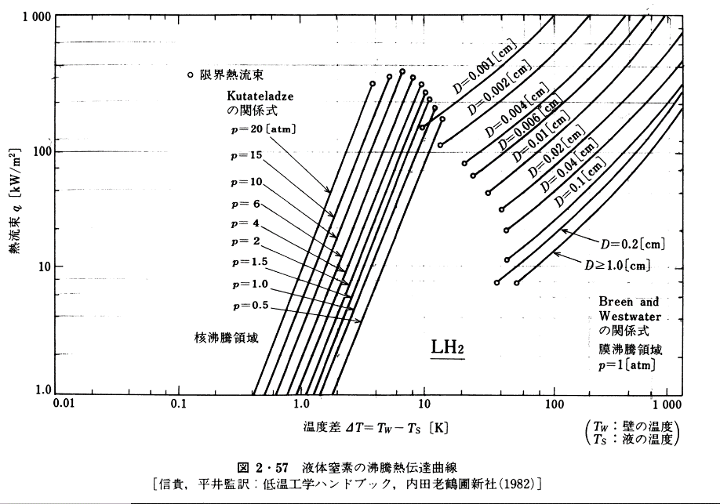
0.4184288508
0.4888652745 |  |  |  |  |  |  |  |  | 1.4288750714
0.5711586478 |  |  |  |  |  |  |  | 1.2387867619 | 2.1074912805
0.6673049161 |  |  |  |  |  |  | 1.1174302816 | 1.8416724844 | 3.3120115944
0.779636013 |  |  |  |  |  |  | 1.5468116282 | 2.8942661247 | 4.7324508035
0.9108764198 |  |  |  |  |  | 1.4402522964 | 2.4116771766 | 4.0704655854 | 6.8159231372
1.0642092441 |  |  |  |  | 1.4288750714 | 1.9779315203 | 3.7601131889 | 5.6345738998 | 10.7115112009
1.2433534238 |  |  |  | 1.2486504343 | 1.9314270114 | 3.0838482316 | 5.082588621 | 8.7850214118 | 15.7987334988
1.4526539259 |  |  | 1.3304403492 | 1.812690947 | 2.7817421884 | 4.6579784416 | 7.3784961166 | 13.2692782755 | 21.869520711
1.6971871298 |  | 1.5224701781 | 2.0908432235 | 2.8487204142 | 4.3716253851 | 6.2962434997 | 11.5956184083 | 17.9362373905 | 33.5608055543
1.9828839491 | 1.2290010072 | 2.1411861237 | 2.9405400259 | 4.1684734324 | 6.2465065344 | 9.4349950409 | 17.2389082761 | 27.5248179141 | 52.7422239616
2.3166736813 | 1.6612549199 | 2.9173113282 | 4.0064105748 | 5.6345738998 | 8.4434753524 | 14.7103640715 | 23.4875716045 | 43.2564143485 | 79.0348437994
2.70665207 | 2.5493495756 | 4.5484615054 | 6.1971624646 | 8.5784707286 | 12.652647262 | 20.2020804589 | 36.3308488768 | 59.4050261966 | 107.6829531928
3.1622776602 | 3.8813087023 | 6.7086641469 | 9.7391026596 | 13.4814292131 | 19.8841697801 | 28.8662491589 | 57.0954640846 | 84.8823610504 | 166.565244161
3.6946012052 | 5.1638497054 | 8.9254774706 | 13.0604658577 | 18.0790522603 | 26.6653437795 | 44.2979335443 | 77.1766012051 | 122.2520154245 | 232.4051216362
4.3165336926 | 7.7380896028 | 13.6969720474 | 18.9601409438 | 25.83270709 | 38.4048226121 | 66.3809751531 | 109.404602179 | 176.0737459515
5.0431594872 | 11.9693669779 | 20.5250739347 | 27.3073865338 | 40.2764945397 | 60.3548014404 | 89.7279342436 | 171.9339549587 | 255.6097980043
5.8921021876 | 15.7987334988 | 27.3073865338 | 39.9583317156 | 59.8780307012 | 84.2118356729 | 135.5289728682 | 241.8061147302
6.8839520696 | 23.3020323167 | 39.9583317156 | 59.4050261966 | 80.9378287832 | 117.4990737794 | 207.9817644615 | 342.7813789858
8.0427654831 | 33.8280289397 | 58.4701971209 | 88.3159277654 | 126.1924275949 | 184.6547590916 | 270.2014748829
9.396648315 | 49.4998523561 | 82.8866334544 | 127.1972177705 | 189.1008390335 | 249.599980165
10.9784376706 | 71.8599311533 | 120.328192713 | 186.1250476926 | 241.8061147302 |  |  |  |  |  | 138.7922120653
12.8264983053 | 103.4964308608 | 181.7489336285 |  |  |  |  |  |  |  | 153.8654874359
14.985653124 | 146.7152695049 |  |  |  |  |  |  |  |  | 173.3029558734 | 97.1339026341
17.5082703174 |  |  |  |  |  |  |  |  |  | 193.6539707889 | 106.8323152987
20.4555335005 |  |  |  |  |  |  |  |  |  | 216.3948111174 | 120.328192713
23.8989256623 |  |  |  |  |  |  |  |  |  | 241.8061147302 | 133.3962168954 | 70.7291050715
27.9219629152 |  |  |  |  |  |  |  |  |  | 272.3529176642 | 150.24785009 | 80.2984631066 | 55.7530533426
32.6222200971 |  |  |  |  |  |  |  |  |  | 306.7586270221 | 167.8914974404 | 89.0191314224 | 62.3001500984 |  |  |  |  |  |  | *注意: グラフ上の表記はハンドブックの内容を記載
38.1136973534 |  |  |  |  |  |  |  |  |  | 345.5107294592 | 189.1008390335 | 99.4726730958 | 70.170382867 | 42.5757084145
44.5295850994 |  |  |  |  |  |  |  |  |  | 392.25691509 | 211.3070038176 | 111.1537771119 | 79.6641480778 | 47.954198434 | 30.0339145144 |  |  | 8.3106043351
52.0254944237 |  |  |  |  |  |  |  |  |  | 448.8735295108 | 239.8959753989 | 126.1924275949 | 89.0191314224 | 54.0121405627 | 32.7717343626 | 20.8532314721 | 11.8748153631 | 9.3604636126
60.783231283 |  |  |  |  |  |  |  |  |  | 513.6619336571 | 272.3529176642 | 142.1340228759 | 100.264710832 | 61.3197618138 | 36.9117111887 | 23.4875716045 | 13.6969720474 | 10.5429491658 | 7.6769628223
71.0152060278 |  |  |  |  |  |  |  |  |  | 592.481898204 | 309.2011511942 | 160.0894827361 | 113.8301152757 | 69.61607427 | 41.5746816388 | 26.4547017865 | 15.4272786048 | 11.9693669779 | 8.8549709593
82.9695852083 |  |  |  |  |  |  |  |  |  | 683.3965624046 | 353.8298669215 | 180.3132139945 | 128.2100084523 | 80.2984631066 | 47.1995656719 | 29.7966626093 | 17.376170757 | 13.588773274 | 10.1330579916
96.9363106114 |  |  |  |  |  |  |  |  |  | 800.8646555731 | 404.9000925196 | 206.3388194561 | 145.5562971312 | 89.7279342436 | 53.5854734614 | 33.8280289397 | 19.8841697801 | 15.4272786048 | 11.5040192078
113.2541315153 |  |  |  |  |  |  |  |  |  | 938.5241773671 | 467.0308615065 | 236.1208447863 | 167.8914974404 | 102.6788642602 | 60.8353684023 | 38.7106158296 | 22.7541622014 | 17.6539832229 | 13.0604658577
132.3188207224 |  |  |  |  |  |  |  |  |  |  | 542.9847100892 | 270.2014748829 | 190.606528946 | 117.4990737794 | 69.61607427 | 43.9480034971 | 26.0383965342 | 20.2020804589 | 14.9455552754
154.5927736419 |  |  |  |  |  |  |  |  |  |  | 631.2910338294 | 306.7586270221 | 216.3948111174 | 133.3962168954 | 79.0348437994 | 49.8939882507 | 29.5612848677 | 22.9353391474 | 16.9676276502
180.616223239 |  |  |  |  |  |  |  |  |  |  | 745.6933593085 | 356.6471894891 | 247.6282734539 | 152.6500321543 | 90.4423808117 | 57.0954640846 | 34.0973800552 | 26.4547017865 | 19.5712619128
211.0203428569 |  |  |  |  |  |  |  |  |  |  | 887.8411026548 | 414.6491950537 | 285.6261285714 | 176.0737459515 | 104.3205072252 | 65.8566008558 | 39.3295261633 | 30.5141006251 | 22.7541622014
246.5425547101 |  |  |  |  |  |  |  |  |  |  |  | 485.9226736697 | 332.0778847804 | 204.7088528398 | 119.3776641714 | 75.9621091766 | 45.7257391789 | 35.4766492906 | 26.2457237529
288.0444153396 |  |  |  |  |  |  |  |  |  |  |  | 578.551648624 | 386.0841517258 | 238.0009251496 | 138.7922120653 | 87.6182790422 | 53.1621768026 | 40.9204403448 | 30.5141006251
336.5325118251 |  |  |  |  |  |  |  |  |  |  |  | 683.3965624046 | 452.4476244162 | 276.7073313452 | 160.0894827361 | 101.8677559996 | 61.8080121424 | 47.5753858442 | 35.4766492906
393.1828755706 |  |  |  |  |  |  |  |  |  |  |  | 820.1477127702 | 534.4400140066 | 326.8521306321 | 186.1250476926 | 117.4990737794 | 72.432106158 | 56.1969795062 | 41.5746816388
459.3695057977 |  |  |  |  |  |  |  |  |  |  |  | 968.7745751035 | 636.3176034965 | 386.0841517258 | 216.3948111174 | 136.6081040256 | 84.2118356729 | 65.8566008558 | 48.7208963622
536.697694554 |  |  |  |  |  |  |  |  |  |  |  |  | 763.6480131928 | 463.3415668065 | 251.5873863247 | 160.0894827361 | 99.4726730958 | 79.0348437994 | 58.0083137506
627.0429615031 |  |  |  |  |  |  |  |  |  |  |  |  | 923.7550619338 | 564.948922727 | 297.1799585527 | 186.1250476926 | 116.5708937685 | 92.6200341643 | 69.0661444153
732.5965428215 |  |  |  |  |  |  |  |  |  |  |  |  |  | 683.3965624046 | 351.0347996994 | 219.8545593518 | 138.7922120653 | 112.0388240625 | 82.8866334544
855.9185374915 |  |  |  |  |  |  |  |  |  |  |  |  |  | 839.8950635184 | 417.9507833144 | 257.6450565276 | 165.2494675751 | 135.5289728682 | 101.0630550617
1000 |  |  |  |  |  |  |  |  |  |  |  |  |  |  | 497.6226215255 | 306.7586270221 | 198.3167319298 | 165.2494675751 | 123.2254306

