Sheet1
液体ヘリウム-4の沸騰熱伝達曲線(計算結果)
 | Kutateladze p=1.5 | Kutateladze p=1.0 | Kutateladze p=0.5 | Breen and Westwater D=0.001 | Breen and Westwater D=0.002 | Breen and Westwater D=0.004 | Breen and Westwater D=0.006 | Breen and Westwater D=0.01 | Breen and Westwater D=0.02 | Breen and Westwater D=0.04 | Breen and Westwater D=0.1 | Breen and Westwater D≧1.0
0.0001
0.0001232847
0.0001519911
0.0001873817
0.000231013
0.0002848036
0.0003511192
0.0004328761
0.0005336699
0.0006579332
0.0008111308
0.001
0.0012328467
0.0015199111
0.0018738174
0.0023101297
0.0028480359
0.0035111917
0.0043287613
0.0053366992
0.0065793322
0.0081113083
0.01
0.0123284674
0.0151991108 | 0.0134118552
0.0187381742 | 0.0245244237
0.023101297 | 0.0423395184
0.0284803587 | 0.0680282737 | 0.0183985902
0.0351119173 | 0.1031977275 | 0.0336429835
0.0432876128 | 0.1543156967 | 0.0525238572
0.0533669923 | 0.2479440212 | 0.0763159221 | 0.0181360972
0.0657933225 | 0.4159291097 | 0.1298737993 | 0.0313105673
0.0811130831 | 0.6779592118 | 0.2116926575 | 0.0468199458
0.1 | 1.0737579425 | 0.3450563663 | 0.072053039
0.1232846739 | 1.7502119265 | 0.5624375324 | 0.1317535296
0.1519911083 | 2.852823403 | 0.9434957979 | 0.2340942722
0.1873817423 | 4.6500662266 | 1.605633274 | 0.3500505447
0.23101297 | 6.7564362292 | 2.4357182104 | 0.5234446051
0.2848035868 |  | 3.9701900144 | 0.9167660961
0.3511191734 |  | 6.7564362292 | 1.7252416165
0.4328761281 |  | 10.8557846235 | 2.6934693361
0.5336699231 |  |  | 3.9135472309
0.6579332247 |  |  | 6.3790327103
0.8111308308 |  |  | 9.8169420165
1
1.2328467394
1.519911083
1.8738174229
2.3101297001 |  |  |  | 14.6796667354
2.8480358684 |  |  |  | 19.2881132529 | 9.8169420165
...
No. | 4.2-54
Title | 液体ヘリウム-4の沸騰熱伝達曲線(計算結果)
Xlabel | 温度差 ΔT=Tw-Ts [K]
Ylabel | 熱流束 q [kW/m^2]
 | Kutateladze p=1.5 | Kutateladze p=1.0 | Kutateladze p=0.5 | Breen and Westwater D=0.001 | Breen and Westwater D=0.002 | Breen and Westwater D=0.004 | Breen and Westwater D=0.006 | Breen and Westwater D=0.01 | Breen and Westwater D=0.02 | Breen and Westwater D=0.04 | Breen and Westwater D=0.1 | Breen and Westwater D≧1.0
0.0001
0.0001232847
0.0001519911
0.0001873817
0.000231013
0.0002848036
0.0003511192
0.0004328761
0.0005336699
0.0006579332
0.0008111308
0.001
0.0012328467
0.0015199111
0.0018738174
0.0023101297
0.0028480359
0.0035111917
0.0043287613
0.0053366992
0.0065793322
0.0081113083
0.01
0.0123284674
0.0151991108 | 0.0134118552
0.0187381742 | 0.0245244237
0.023101297 | 0.0423395184
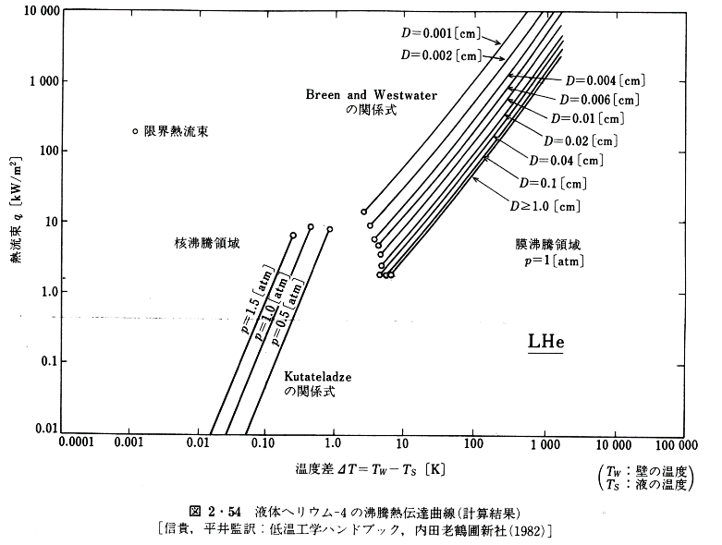
0.0284803587 | 0.0680282737 | 0.0183985902
0.0351119173 | 0.1031977275 | 0.0336429835
0.0432876128 | 0.1543156967 | 0.0525238572
0.0533669923 | 0.2479440212 | 0.0763159221 | 0.0181360972
0.0657933225 | 0.4159291097 | 0.1298737993 | 0.0313105673
0.0811130831 | 0.6779592118 | 0.2116926575 | 0.0468199458
0.1 | 1.0737579425 | 0.3450563663 | 0.072053039
0.1232846739 | 1.7502119265 | 0.5624375324 | 0.1317535296
0.1519911083 | 2.852823403 | 0.9434957979 | 0.2340942722
0.1873817423 | 4.6500662266 | 1.605633274 | 0.3500505447
0.23101297 | 6.7564362292 | 2.4357182104 | 0.5234446051
0.2848035868 |  | 3.9701900144 | 0.9167660961
0.3511191734 |  | 6.7564362292 | 1.7252416165
0.4328761281 |  | 10.8557846235 | 2.6934693361
0.5336699231 |  |  | 3.9135472309
0.6579332247 |  |  | 6.3790327103
0.8111308308 |  |  | 9.8169420165
1
1.2328467394
1.519911083
1.8738174229
2.3101297001 |  |  |  | 14.6796667354
2.8480358684 |  |  |  | 19.2881132529 | 9.8169420165
3.5111917342 |  |  |  | 23.9276719449 | 12.5333841387 | 6.9534303441 | 4.9251786828 |  |  | 1.9078091101
4.3287612811 |  |  |  | 30.11284976 | 15.5481617148 | 8.6260070118 | 6.198311564 | 3.9701900144 | 2.852823403 | 2.2996629599
5.3366992312 |  |  |  | 38.4453644442 | 19.5672800446 | 11.0129059824 | 7.8005426237 | 5.36866457 | 3.6422270326 | 2.8941137846 | 2.171207534 | 1.9634341695
6.5793322466 |  |  |  | 47.6930042954 | 24.6253194022 | 13.6619480636 | 9.8169420165 | 6.7564362292 | 4.5837236349 | 3.5902633037 | 2.8121221121 | 2.3667131108
8.1113083079 |  |  |  | 60.8901165513 | 31.439381743 | 17.4423402803 | 12.5333841387 | 8.6260070118 | 5.8520839795 | 4.5837236349 | 3.5902633037 | 3.1097048279
10 |  |  |  | 77.7389964923 | 39.5662971789 | 22.2688033241 | 15.7731982627 | 10.8557846235 | 7.4714118106 | 5.8520839795 | 4.5837236349 | 3.9701900144
12.3284673944 |  |  |  | 97.8341197277 | 49.7939776695 | 28.0251722933 | 19.850487361 | 13.6619480636 | 9.402732613 | 7.3648170228 | 5.7685921755 | 4.9964633291
15.1991108295 |  |  |  | 124.9057600986 | 63.5724494323 | 35.2695324772 | 24.9817343258 | 17.4423402803 | 12.0045590158 | 9.402732613 | 7.2597430251 | 6.2880229178
18.7381742286 |  |  |  | 159.4683833129 | 80.0055944864 | 45.0289507858 | 31.439381743 | 22.2688033241 | 15.1076746166 | 12.0045590158 | 9.2685836311 | 8.0279792393
23.1012970008 |  |  |  | 200.6901247737 | 100.6866214261 | 57.4888938543 | 40.1389605647 | 28.4307950379 | 19.2881132529 | 15.326335768 | 11.8332897224 | 10.2493981827
28.4803586844 |  |  |  | 259.9314569113 | 128.5475764079 | 73.3966228151 | 50.5146715397 | 35.7800065758 | 24.6253194022 | 19.5672800446 | 15.1076746166 | 13.2748983294
35.1119173422 |  |  |  | 336.6601240006 | 168.9030314409 | 95.0624308107 | 65.4260003252 | 47.0125672105 | 32.3560444581 | 25.343307826 | 19.850487361 | 17.1934900484
43.2876128108 |  |  |  | 436.0381788296 | 215.640122115 | 121.3671182435 | 83.5300028618 | 60.0213959911 | 41.3092726553 | 32.8243501448 | 25.343307826 | 21.9510938436
53.3669923121 |  |  |  | 556.6941299247 | 279.2945152288 | 157.1932445691 | 106.6435567422 | 77.7389964923 | 53.50327744 | 41.9071630224 | 32.8243501448 | 28.4307950379
65.7933224658 |  |  |  | 721.0235999825 | 361.7389262806 | 203.5948162548 | 140.1225952346 | 100.6866214261 | 69.2968070561 | 54.2776579152 | 42.5137069645 | 36.8232267715
81.113083079 |  |  |  | 933.8611704098 | 461.8355607441 | 263.6935786869 | 181.4851147588 | 128.5475764079 | 88.4718989842 | 70.2997754152 | 55.0632463976 | 47.6930042954
100 |  |  |  | 1192.2695235704 | 598.1639121159 | 341.5327792711 | 235.0573569086 | 166.4932883758 | 114.5877487724 | 91.05143098 | 71.3172602515 | 61.7714105513
123.2846739442 |  |  |  | 1544.2132722875 | 774.7347674598 | 448.7515312794 | 304.4434862346 | 215.640122115 | 148.412686056 | 116.2462362444 | 92.3692652093 | 80.0055944864
151.9911082953 |  |  |  | 2000.0466196332 | 989.1113169288 | 581.2176331454 | 394.3115736927 | 275.3098145669 | 189.4799014056 | 152.7398823371 | 119.6355710414 | 100.6866214261
187.381742286 |  |  |  | 2627.929257936 | 1299.6269904896 | 763.6816104073 | 525.598102897 | 366.9745599657 | 252.5674703972 | 200.6901247737 | 159.4683833129 | 136.1528529268
231.0129700083 |  |  |  | 3403.6626438163 | 1707.624091951 | 1003.4272341637 | 680.7483965137 | 482.1803519905 | 327.1223764636 | 256.2230094054 | 209.5309309843 | 176.3435518504
284.8035868436 |  |  |  | 4472.1880770303 | 2211.6943650223 | 1299.6269904896 | 869.1180146472 | 624.5142431806 | 417.6402791909 | 336.6601240006 | 271.3819637122 | 231.7037887051
351.1191734215 |  |  |  | 5876.1599750988 | 2906.0204269239 | 1683.261383489 | 1141.9637106806 | 820.5704984782 | 540.9227103592 | 436.0381788296 | 351.4906838924 | 300.0999846799
432.8761281083 |  |  |  | 7610.7323421791 | 3818.3190477197 | 2243.7053560368 | 1522.1819493909 | 1078.1754785023 | 763.6816104073 | 572.925389076 | 461.8355607441 | 394.3115736927
533.6699231206 |  |  |  |  | 5017.0192250203 | 2948.0807564366 | 2000.0466196332 | 1416.6514206879 | 933.8611704098 | 752.7861489765 | 606.8214463208 | 518.0993838233
657.9332246576 |  |  |  |  | 6592.0321454687 | 3929.6479133473 | 2665.9646308126 | 1861.3864697839 | 1227.0319443956 | 1003.4272341637 | 808.8634020973 | 690.6012184716
811.1308307897 |  |  |  |  | 8786.8574524636 | 5238.0290767679 | 3553.6008725871 | 2481.1374115004 | 1683.261383489 | 1356.8781899792 | 1062.7931265097 | 894.4584645829
1000 |  |  |  |  |  | 7083.0919978639 | 4805.3345132927 | 3307.2352005769 | 2276.1796586019 | 1782.8483895818 | 1396.4400253831 | 1192.2695235704
1232.8467394421 |  |  |  |  |  | 9306.7154110899 | 6405.2766200072 | 4345.4887806893 | 2990.7498467489 | 2309.1239784642 | 1915.6580069671 | 1612.2389925544
1519.9110829529 |  |  |  |  |  |  | 8537.9214423718 | 5792.3246784291 | 3929.6479133473 | 2990.7498467489 | 2627.929257936 | 2149.035971649
1873.8174228604
2310.1297000832
2848.0358684358
3511.1917342151
4328.7612810831
5336.6992312063
6579.3322465757
8111.3083078969
10000
12328.4673944207
15199.1108295293
18738.1742286039
23101.2970008316
28480.358684358
35111.9173421513
43287.6128108306
53366.992312063
65793.3224657568
81113.0830789689
100000

